MOM
 |  |  | IBIDEN PHILIPPINES, INC. |  |  |  |  |  |  |  |  |  |  |  |  |  |  |  |  |  |  | DRB/MRB No. : |  | D-SF-18-09-001
 |  |  | DRB/MRB REPORT MINUTES |  |  |  |  |  |  |  |  |  |  |  |  |  |  |  |  |  |  | RFC No. : |  | 40-0918-0317

Theme: |  |  |  | OOS High FSR Alignment
Meeting Date : |  |  |  | 27-Sep-18 |  |  |  |  |  |  |  |  |  |  |  |  | Originated by : |  |  |  | Mary Grace Perez / SF
Meeting Time: |  |  |  | Start: | 1100h | End: |  | 1200H |  |  |  |  |  |  |  |  |  |  |  |  |  | Name /Block
Meeting Place: |  |  |  | SF Meeting area |  |  |  |  |  |  |  |  |  |  |  |  | Approved by : |  |  |  | Jocelyn Silva
Chairman: |  |  |  | Lei |  |  |  |  |  |  |  |  |  |  |  |  |  |  |  |  | Originator ASM/SM/DGM/GM
Block: |  |  |  | SF1
Attendees : |  |  |  | Manufacturing |  |  | Engineering/NPD |  |  |  | Facilities/EE |  |  |  |  | QA/QC |  |  |  |  | PPIC/CSE |  |  |  | Other
 |  |  |  | Lei |  |  | Mafe |  |  |  | Jhoner |  |  |  |  | Irene |  |  |  |  | Tromz
 |  |  |  | Kawamura |  |  | Elaine

<1>PROBLEM STATEMENT : (Put another sheet if multiple lots was discovered affected)
DEFECT ISSUE: |  |  |  | OOS High FSR Alignment |  | # | PRODUCT/MODEL AFFECTED |  |  |  | PRODUCT FAMILY |  |  | LEDGER NO. |  | PRODUCT SIZE |  | LOT NUMBER |  |  | AFFECTED LAYER |  | AFFECTED PANEL |  | AFFECTED UNIT OR IF PERCENTAGE
DATE/TIME OCCURRED: |  |  |  | 25-Sep-18 |  | 1 | SD Lewisburg |  |  |  | BGA15 |  |  | 777-0499 |  | 405x515 |  | P7620100 |  |  | FSR |  | 1-32 |  | N/A
PROCESS DETECTED: |  |  |  | LPSR - Nexiv |  | 2
PROCESS AFFECTED: |  |  |  | SnR #2 |  | 3
# OF AFFECTED LOTS : |  |  |  | 1 lot |  | 4
WHO DETECTED: |  |  |  | Nexiv Operator |  | 5
WHAT IS THE PROBLEM DIFFERENCE FROM NORMAL TO ABNORMAL SITUATION? CHANGING POINT? DISCUSS THE FLOW. (Indicate 5W and 1H)
 | What: | OOS High FSR Alignment on all quadrant for RF location
 | When: | September
 | Where:
 | Who:
 | How:

THE AGENDA ITEM IS RECURRENCE? |  |  |  |  | RECURRENCE |  |  |  | NEW |  |  |  | Recurrence Definition |  |  |  | 1. Rootcause is clear happened in same MC and parts 2. Rootcause is not clear but same issue 3. The Action was not proliferated to other process and machine but it was discussed during the meeting
THE AGENDA ITEM IS ESCAPEE? |  |  |  |  | YES |  |  |  | NO
PROBLEM CATEGORY |  |  |  | MAN |  | MACHINE |  |  |  | METHOD |  |  | MATERIAL |  |  | MEASUREMENT |  |  |  | ENVIRONMENT |  |  |  | OTHERS
DRB CLOSING RANK |  |  |  | RANK 1 |  | RANK 2 |  |  |  | RANK 3 |  |  | RANK 4 |  |  | RANK 5 |  |  |  | OTHERS |  |  |  | Method-Unknown

<2> INVESTIGATION/IDENTIFICATION OF AFFECTED AREA, SITUATION (Define the phenomenon, mode and tendency occurrence,Etc.)

<3> CONTAINMENT ACTION (Note: Do not disable the interlock system when doing the action) |  |  |  |  |  |  |  |  |  |  |  |  |  |  |  |  |  | Responsible |  |  | Completion Date |  |  | Status
 |  |  |  |  |  |  |  |  |  |  |  |  |  |  |  |  |  | Name / Block
1 | For S&R1 re-optimization with z-height adjustment |  |  |  |  |  |  |  |  |  |  |  |  |  |  |  |  | Engg/Elaine |  |  | ww39.3 |  |  | Done
2 | For S&R2, re-optimization by offset application on recipe |  |  |  |  |  |  |  |  |  |  |  |  |  |  |  |  | Engg/Elaine |  |  | ww39.3 |  |  | Done

<4> DISPOSITION OF AFFECTED LOT AND RISK ASSESSMENT

Assessment Item (# of sample/Method) |  |  |  |  | Responsible Name / Block |  |  |  | Completion Date |  |  | Assessment Result (No Good/TTL QTY) |  |  |  |  |  | Judgment (OK/NG) |  |  | Final Disposition
Proceed
Piece Out
Qty : ______________________________
Sheet Out
Qty : _______ Pnl #: _______
Lot Out
Qty : ______________________________
5,632
SDR
Qty : ______________________________

Risk Assessment Category |  |  |  |  |  |  |  |  |  |  |  |  | Remarks
 |  |  | Low |  | Medium |  |  |  |  | High |  |  | ________________________

<5>ACTION REQUIRED (Note: Do not disable the interlock system when doing the action)

Action Request |  |  |  |  |  |  |  |  |  |  |  | Responsible Name / Block |  |  |  |  |  | Completion Date |  |  | Detail Results
1. Check holding time of each lot from previous process |  |  |  |  |  |  |  |  |  |  |  | MFG-Lea |  |  |  |  |  | 39.6 |  |  | Encountered long Qtime at QET process
2. SNR SF and SAP Logger data |  |  |  |  |  |  |  |  |  |  |  | ENG'G Janine |  |  |  |  |  | 40.1 |  |  | Seen shifted tendency on tetha for affected location
3. Pack the affected lots and discussed to Mori san for lot dispostion |  |  |  |  |  |  |  |  |  |  |  | QC-Irene |  |  |  |  |  | 39.6 |  |  | Packed the affected lot After discussion, final disposition is Lot-out

<6> ROOTCAUSE GENERATION/ANALYSIS <WHY ANALYSIS by 5M1E, DESIGN AND CAPABILITY>

 | 1. FACTOR GAP ANALYSIS
 | Problem/Issue |  |  | Gap Type |  | 1st why |  |  |  |  | 2nd why |  |  |  |  |  | 3rd why |  |  |  |  |  | 4th why |  |  | 5th why
 | OOS High FSR Alignment |  |  | Technical |  | Shifted SR Alignment accuracy |  |  |  |  | NG SnR machine alignment exposure |  |  |  |  |  | SnR machine encountered power fluctuation during lot processing
 |  |  |  | Systemic
 |  |  |  | Detection
 | 2. FINAL ROOT CAUSE and MECHANISM OF AFFECTED ISSUE
 | Power fluctuation during lot processing

<7> CORRECTIVE ACTION |  |  |  |  |  |  |  |  |  |  |  |  |  |  | Responsible |  |  |  | Completion Date |  |  | Status |  |  | Need CN & DR?
 |  |  |  |  |  |  |  |  |  |  |  |  |  |  | Name / Block |  |  |  |  |  |  |  |  |  | Yes | No
 | Include on SnR SOP the advance panel checking when encountered machine trouble |  |  |  |  |  |  |  |  |  |  |  |  |  | Lei/Mfg |  |  |  | ww49 |  |  | Open |  |  |  | P

<8> PREVENTIVE ACTION |  |  |  |  |  |  |  |  |  |  |  |  |  |  | Responsible |  |  |  | Completion Date |  |  | Status |  |  | Need CN & DR?
 |  |  |  |  |  |  |  |  |  |  |  |  |  |  | Name / Block |  |  |  |  |  |  |  |  |  | Yes | No
 | N/A

<9> PROLIFERATION |  |  |  |  |  |  |  |  |  |  |  |  |  |  |  |  |  | Responsible |  |  | Completion |  |  | Status
 |  |  |  |  |  |  |  |  |  |  |  |  |  |  |  |  |  | Name / Sign |  |  | Date
Product |  |  | Block | Process/line |  | Machine |  |  | Proliferate Item
 |  |  |  |  |  |  |  |  | 1
 |  |  |  |  |  |  |  |  | 2
<10>AMOUNT OF LOSS . The total sum_________________
Product |  |  |  |  |  | Unit Qty |  |  |  |  |  |  |  |  | Amount of Loss |  |  |  |  |  |  | Remarks

<11> CLOSING APPROVAL (The approver person in charge should put details of the validation and closing confirmation result)
The Validation activity |  |  |  |  |  |  |  |  |  |  |  |  |  |  |  |  |  |  | Closing Approver |  |  |  |  | Closing Date

 |  |  |  |  |  |  |  |  |  |  |  |  |  |  |  |  |  |  |  |  |  |  |  |  |  |  | QA-SCAR-MRB-02-00-01 Rev. 11

MCM
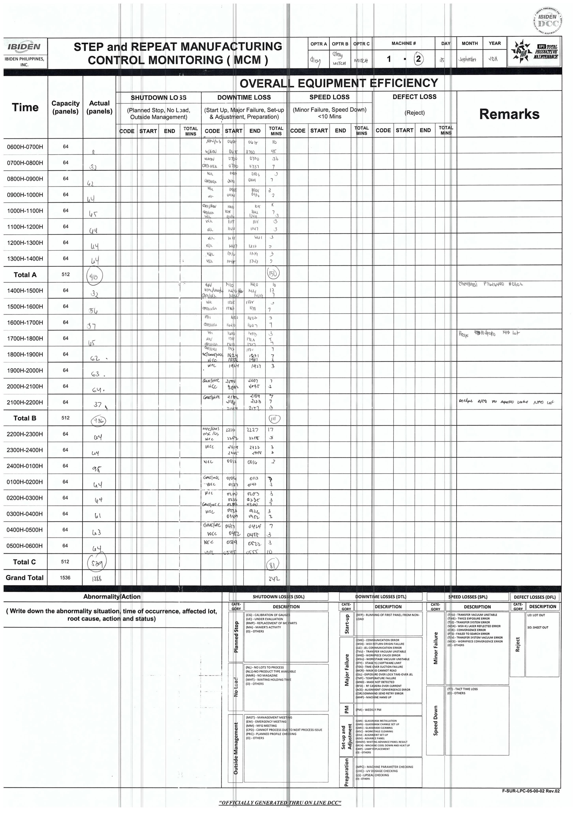

no abnormality during processing of P7620100

MLL
